1. Title Page
[Instacart Report]

Project Name: Instacart Report
Date: 06/09/2022
Analyst Name: Angelo Cani

Contents:
Population Flow
Consistency checks
Wrangling steps
Column derivations
Visualizations
Recommendations

2. Population Flow
Title page

Population flow

Exclusion flag
Condition: max_order <
Obervations to be removed:
Final total count of order_products_all:

Orders_products_combined
Orders_products_merged
Orders_products_all

Total: 32,404,859
Total: 32,434,489
Total: 30,629,741

1.) The grey boxes in the first row of the population flow represent the original data sets as they were when you downloaded them. In the Total fields you need to add the count of the rows when you imported the data set into Jupyter.
2.) The second row of boxes (coloured) represents the data sets after you manipulated them, e.g., removed missing values and duplicates. In the Total fields you need to add the count of the rows after conducting these operations. This offers a visual oveview of how the data flows throughout the data consistency checks.
3.) The third row, where also the arrows are coloured, represents the merges you performed between the datasets. In the Total fields you need to add the count of the rows in the merged datasets, so that you end up with the final dataset (in the red box). Keep in mind the final dataset should be without exclusions (based on the exclusion flag).

3. Consistency checks
 |  |  |  | Title page
Consistency checks

Dataset | Missing values | Missing values treatment | Duplicates
orders | 206209 | removed | no duplicates found
products | 16 | removed | removed duplicates
orders_products_prior |  | none | none
customers |  | none | none

4. Wrangling steps
 |  |  |  | Title page
Wrangling steps

Columns dropped | Columns renamed | Columns' type changed | Comment/Reason
eval_set |  |  | This data was not going to be used
_merge |  | order_id | Changed the ID to a string
 |  | user_id | Changed the ID to a string
 | order_dow |  | To facilitate the understanding
 | order_hour_of_day |  | To facilitate the understanding
 | days_since_prior_order |  | To facilitate the understanding
 | First Name |  | To merge in the main df
 | Surnam |  | To merge in the main df and facilitate understanding
 | Gender |  | To merge in the main df
 | State |  | To merge in the main df
 | Age |  | To merge in the main df
 | n_dependents |  | To merge in the main df and facilitate understanding
 | fam_status |  | To merge in the main df and facilitate understanding
 | income |  | To merge in the main df and facilitate understanding

5. Column derivations
 |  |  |  | Title page

Column derivations and aggregations

In this tab you should add tables below that the frequences of flags/label variables that you produced after deriving them. NB: don't do this for continuous variables, only for flags.
Dataset | New column | Column/s it was derived from | Conditions
combined_df_4_10_2 | price_range_loc | prices | Created using loc() statements > 15 = High-range product <= 15 between > 5 = Mid-range product <= 5 = Low-range product
 | busiest_day | orders_day_of_week | Used if, elif and else statements value == 0 = Busiest day value == 4 = Least busy else = Regularly busy
 | busiest_days | busy_day | Based on a definition created: if <= 1 = Busiest days elif == 4 = Slowest days elif == 3 = Slowest days else = Regularly busy
 | busiest_period_of_day | time_of_order | Based on the number of orders at each our of the day. Dividing it 3 groups of 8 hours. Fewest orders, Average orders and Most orders
 | loyalty_flag | max_order | Based on the number of max orders following the criteria below: > 40 = Loyal customer <= 40 to > 10 = Regular customer <= 10 = New customer
 | spend_mean | user_id and prices combined | Based on the mean value of purchases of the user
 | spender_type | spend_mean | Based on the average prices of purchases > 10 = High spender <= 10 = Low spender
 | customer_frequency | avg_days_last_order | Based on the on the days since last order > 20 = Non-frequent customer <= 20 = Regular customer <= 10 = Frequent customer
 | customer_region | customer_state | Based on the 4 regions in the USA: Northeast, Midwest, South, West
 | low_activity | max_order | Based on: >=5 = 1 (true) <5 = 0 (false)
 | department | department_id | Based on the ID for each department: 'frozen','other','bakery','produce','alcohol','international','beverages','pets','dry_goods/pasta','bulk','personal_care','meat/seafood','pantry','breakfast','canned_goods','dairy/eggs','household','babies','snacks','deli','missing'
 | income_rate | customer_income | Based on the income range <40000 = lower >=40000 to <100000 = middle >=100000 = higher

6. Visualizations
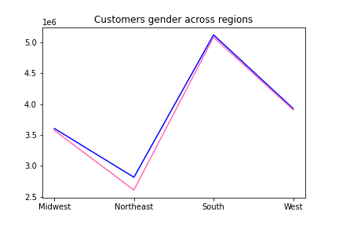
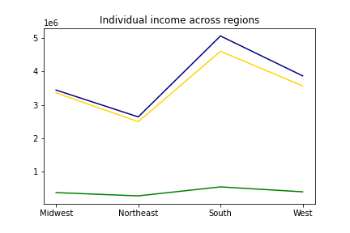
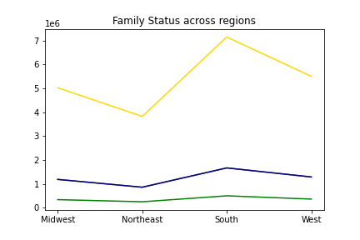
 |  | Title page

Visualisations

In this tab you should include all the visualtions from Exercises 4.9 and 4.10, alongside the questions from the project brief that they answer. Include any commentary on the relationship between different variables.

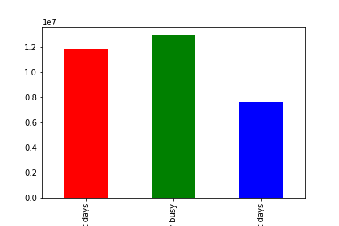

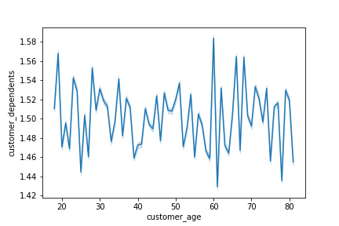



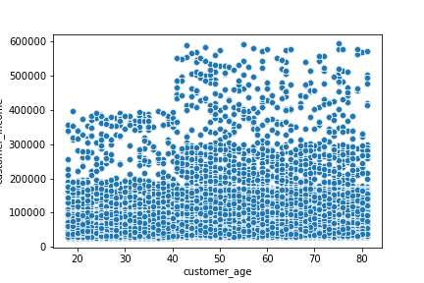

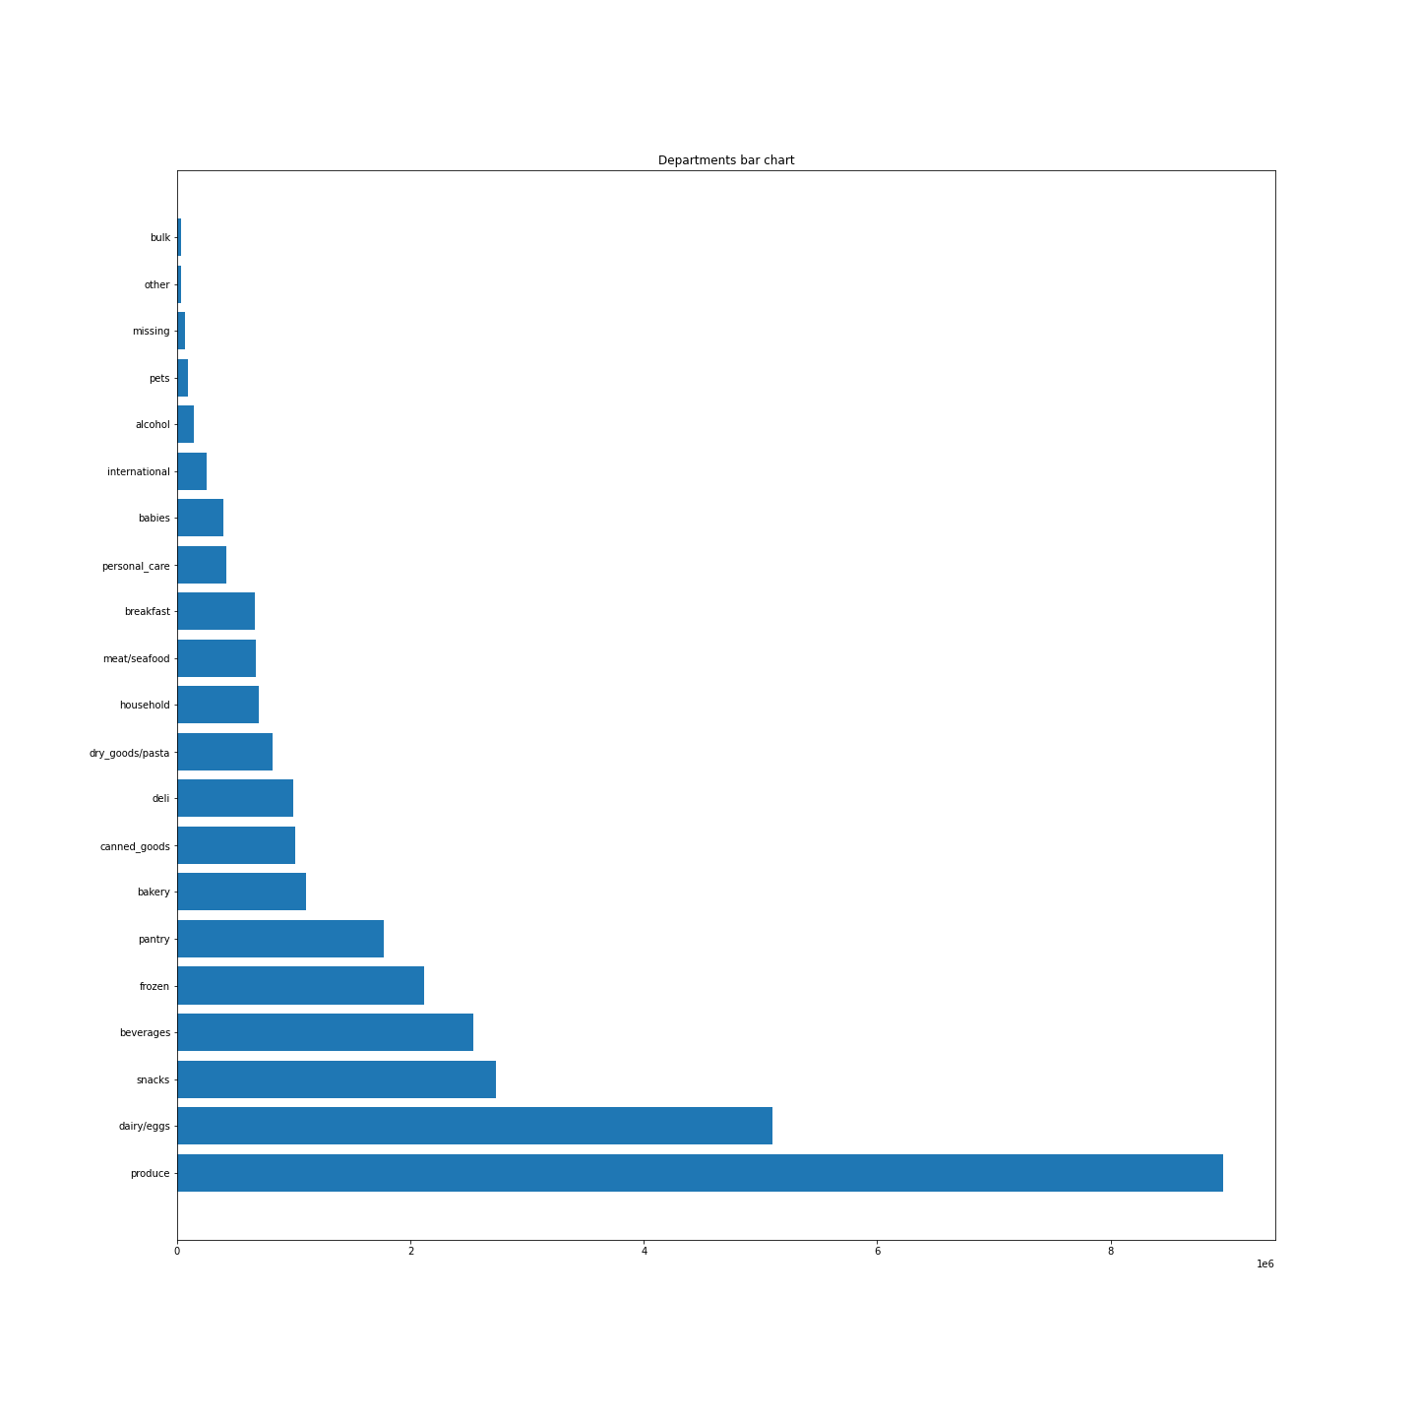

Are there certain types of products that are more popular than others? The marketing and sales teams want to know which departments have the highest frequency of product orders
As we can see, the top 5 products that are sold are: 1st. Produce; 2nd. Dairy/Eggs; 3rd. Snacks; 4th. Beverages; 5th. Frozen

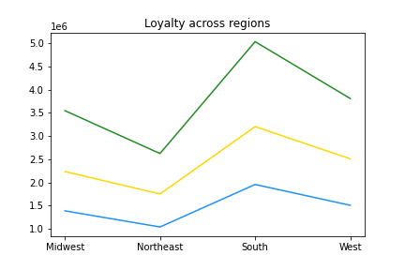

What’s the distribution among users in regards to their brand loyalty (i.e., how often do they return to Instacart)?
With additional information from the data collected, we can see that most are regular or loyal customers:
Midwest = 49.45% (Regular customer) > 31.17% (Loyal customer) > 19.38% (New Customer)
Northeast = 48.42% (Regular customer) > 32.34% (Loyal customer) > 19.24% (New Customer)
South = 49.37% (Regular customer) > 31.43% (Loyal customer) > 19.20% (New Customer)
West = 48.66% (Regular customer) > 32.06% (Loyal customer) > 19.28% (New Customer)

Are there differences in ordering habits based on a customer’s loyalty status?
As we can see, regular and loyal customers spend more, but they also represent a bigger part of the client base
 | mean | min | max | sum | count
Loyal customer | 7.775282 | 1 | 25 | 75,468,368.60 | 9,706,191.00
New customer | 7.801857 | 1 | 25 | 46,039,348.30 | 5,901,076.00
Regular customer | 7.79876 | 1 | 25 | 117,119,387.70 | 15,017,693.00

7. Recommendations
 |  |  |  |  |  |  | Title page

Recommendations

In this tab you should include any recommendations you would made to Instcart in terms of their marketing strategy based on the questions posed in the brief. Every key question has been covered in the Tasks of the Exercises - here you need to add an item - a visualisation or table/crosstable that is showing the answer in the data, acompanied by a comment from you. Please, list the questions below and add the answer underneath.

Question | Answer
The sales team needs to know what the busiest days of the week and hours of the day are (i.e., the days and times with the most orders) in order to schedule ads at times when there are fewer orders. | 10 2609878 | 12 2474099 | 18 1543892 | 22 598927 | 5 83273 | As it is possible notice in a decending order, the hours where most purchase happens are at 10, 11, 14, 15, 13 hours
 | 11 2585887 | 16 2398341 | 19 1189761 | 23 378678 | 2 65188
 | 14 2543388 | 9 2320463 | 20 921249 | 6 275016 | 4 49418
 | 15 2519570 | 17 1973941 | 7 841413 | 0 206659 | 3 47802
 | 13 2517264 | 8 1623690 | 21 752663 | 1 109281

They also want to know whether there are particular times of the day when people spend the most money, as this might inform the type of products they advertise at these times. | 10 | 20222426 | 12 | 19270324 | Similar to the last question, we also notice that the most money spent is quite similar to the hours that are usually busier
 | 11 | 20095492.4 | 16 | 18715479.6
 | 14 | 19845605 | 9 | 17989476
 | 15 | 19665612.3 | 17 | 15411184.4
 | 13 | 19616938.6 | 8 | 12650457.9

Instacart has a lot of products with different price tags. Marketing and sales want to use simpler price range groupings to help direct their efforts. | When we look into the 'prices' column, we notice that there are 240 different prices from $1 to $25, meaning that almost all the prices are separate by $0.1. However if we change this price increase to $0.5 instead, we can get a reduced number of unique values.

Are there certain types of products that are more popular than others? The marketing and sales teams want to know which departments have the highest frequency of product orders | Yes, from the graph created in the '6. Visualizations' sheet, we can notice that the products that sell the most are: 1st. Produce; 2nd. Dairy/Eggs; 3rd. Snacks; 4th. Beverages; 5th. Frozen

Are there differences in ordering habits based on a customer’s loyalty status? | As we can see, regular and loyal customers spend more, but they also represent a bigger part of the client base
 |  | mean | min | max | sum | count
 | Loyal customer | 7.775282 | 1 | 25 | 75,468,368.60 | 9,706,191.00
 | New customer | 7.801857 | 1 | 25 | 46,039,348.30 | 5,901,076.00
 | Regular customer | 7.79876 | 1 | 25 | 117,119,387.70 | 15,017,693.00

